Final Data Profile
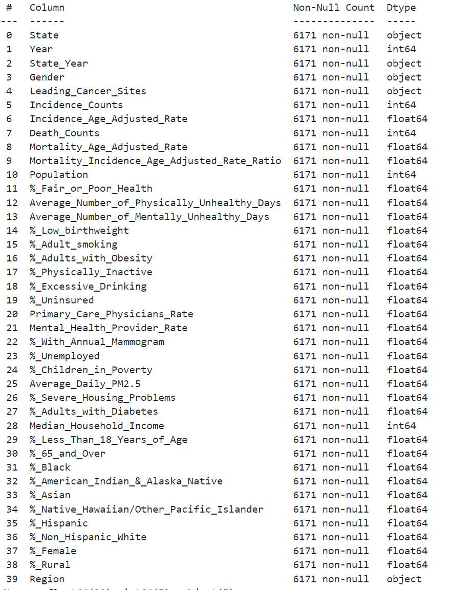
Column | Description
State | The U.S. state or territory where the cancer cases or deaths were recorded.
Year | The calendar year in which the cancer cases or deaths occurred.
Gender | The sex of the individuals (male or female) whose cancer data is being reported.
Leading Cancer Sites | The primary organs or tissues where the highest incidence of cancer is found.
Incidence Count | The number of new cancer cases diagnosed within the specified population and time period.
Incidence Age-Adjusted Rate | The rate of new cancer cases per 100,000 population, adjusted to the age distribution of a standard population (year 2000 U.S. standard population).
Death Count | The number of deaths attributed to cancer within the specified population and time period.
Mortality Age-Adjusted Rate | The rate of cancer deaths per 100,000 population, adjusted to the age distribution of a standard population (year 2000 U.S. standard population).
Mortality Incidence Age-Adjusted Rate Ratio (MIR) | The ratio of the age-adjusted mortality rate to the age-adjusted incidence rate, indicating the proportion of diagnosed cases that result in death.
Population | The total population of the specified area and demographic group, used as the denominator in calculating incidence and mortality rates.
% Fair or Poor Health | Percentage of adults that report fair or poor health
Average Number of Physically Unhealthy Days | Average number of reported physically unhealthy days per month
Average Number of Mentally Unhealthy Days | Average number of reported mentally unhealthy days per month
% Low birthweight | Percentage of births with low birthweight (<2500g)
% Smokers | Percentage of adults that reported currently smoking
% Adults with Obesity | Percentage of adults that report BMI >= 30
% Physically Inactive | Percentage of adults that report no leisure-time physical activity
% Excessive Drinking | Percentage of adults that report excessive drinking
% Uninsured | Percentage of people under age 65 without insurance
Primary Care Physicians Rate | Primary Care Physicians per 100,000 population
Mental Health Provider Rate | Mental Health Providers per 100,000 population
% With Annual Mammogram | Percentage of female Medicare enrollees having an annual mammogram (age 65-74)
% Unemployed | Percentage of population ages 16+ unemployed and looking for work
% Children in Poverty | Percentage of children (under age 18) living in poverty
Average Daily PM2.5 | Average daily amount of fine particulate matter in micrograms per cubic meter
% Severe Housing Problems | Percentage of households with at least 1 of 4 housing problems: overcrowding, high housing costs, or lack of kitchen or plumbing facilities
Diabetes prevalence | Percentage of adults aged 20 and above with diagnosed diabetes.
Median household income | The income where half of households in a county earn more and half of households earn less.
% below 18 years of age | Percentage of population below 18 years of age.
% 65 and older | Percentage of population ages 65 and older.
% Non-Hispanic Black | Percentage of population that is non-Hispanic Black or African American.
% American Indian & Alaska Native | Percentage of population that is American Indian or Alaska Native.
% Asian | Percentage of population that is Asian.
% Native Hawaiian/Other Pacific Islander | Percentage of population that is Native Hawaiian or Other Pacific Islander.
% Hispanic | Percentage of population that is Hispanic.
% Non-Hispanic White | Percentage of population that is non-Hispanic White.
% Females | Percentage of population that is female.
% Rural | Percentage of population living in a rural area.

